Sheet1
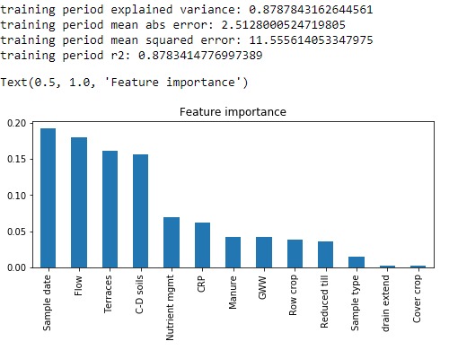
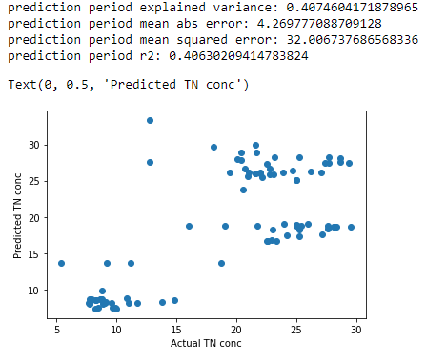
 | Site | Sample date | Sample type | TN (mg N/L) | day of year | TN_conc_pred | Error %
0 | Sub11 | 2018-03-27 | Base | 25.026 | 86 | 18.84677 | 25%
1 | Sub11 | 2018-04-05 | Base | 25.381 | 95 | 18.730663 | 26%
2 | Sub11 | 2018-04-11 | Base | 24.999 | 101 | 18.763906 | 25%
3 | Sub11 | 2018-04-23 | Base | 25.068 | 113 | 18.820211 | 25%
4 | Sub11 | 2018-05-07 | Base | 28.163 | 127 | 18.638285 | 34%
5 | Sub11 | 2018-05-23 | Base | 27.641 | 143 | 18.785817 | 32%
6 | Sub11 | 2018-06-06 | Base | 29.571 | 157 | 18.634772 | 37%
7 | Sub11 | 2018-06-20 | Base | 28.367 | 171 | 18.614511 | 34%
8 | Sub11 | 2018-07-02 | Base | 25.018 | 183 | 25.083345 | 0%
9 | Sub11 | 2018-07-02 | Base | 25.018 | 183 | 25.083345 | 0%
10 | Sub11 | 2018-07-11 | Base | 23.99 | 192 | 18.973909 | 21%
11 | Sub11 | 2018-07-18 | Base | 25.285 | 199 | 18.212959 | 28%
12 | Sub11 | 2018-08-28 | Base | 16.057 | 240 | 18.724576 | -17%
13 | Sub11 | 2018-09-11 | Base | 28.127 | 254 | 18.654997 | 34%
14 | Sub11 | 2018-09-26 | Base | 19.07 | 269 | 18.783361 | 2%
15 | Sub11 | 2018-10-11 | Base | 25.929 | 284 | 19.078644 | 26%
16 | Sub11 | 2018-10-23 | Base | 25.234 | 296 | 17.308511 | 31%
17 | Sub11 | 2018-10-30 | Base | 22.982 | 303 | 18.212959 | 21%
18 | Sub11 | 2018-11-14 | Base | 21.731 | 318 | 18.781786 | 14%
19 | Sub11 | 2018-05-07 | Event | 27.662 | 127 | 18.387744 | 34%
20 | Sub11 | 2018-06-13 | Event | 28.686 | 164 | 28.036279246 | 2%
Sub 11
21 | Sub11 | 2018-06-22 | Event | 28.686 | 173 | 27.568843719 | 4%
22 | Sub11 | 2018-06-27 | Event | 12.79 | 178 | 33.306579719 | -160%
23 | Sub11 | 2018-08-28 | Event | 12.79 | 240 | 27.548033719 | -115%
24 | Sub11 | 2018-09-11 | Event | 29.406 | 254 | 27.427925719 | 7%
25 | Sub11 | 2018-09-11 | Event | 27.401 | 254 | 27.430571719 | 0%
26 | Sub11 | 2018-09-26 | Event | 25.21 | 269 | 28.175065246 | -12%
27 | Sub11 | 2018-10-11 | Event | 27.724 | 284 | 27.448968719 | 1%
28 | Sub11 | 2018-10-11 | Event | 27.724 | 284 | 28.218316719 | -2%
29 | Sub12 | 2018-03-27 | Base | 8.6 | 86 | 8.6003 | 0%
30 | Sub12 | 2018-04-05 | Base | 8.5 | 95 | 7.4525 | 12%
31 | Sub12 | 2018-04-11 | Base | 8.2 | 101 | 7.3728 | 10%
32 | Sub12 | 2018-04-23 | Base | 10 | 113 | 7.3728 | 26%
33 | Sub12 | 2018-05-07 | Base | 8.8 | 127 | 8.7078 | 1%
34 | Sub12 | 2018-05-23 | Base | 8.3 | 143 | 8.5486 | -3%
35 | Sub12 | 2018-06-06 | Base | 9.6 | 157 | 8.1616 | 15%
Sub 8
Sub 12
36 | Sub12 | 2018-06-20 | Base | 11 | 171 | 8.1404 | 26%
37 | Sub12 | 2018-06-27 | Base | 14.8 | 178 | 8.4749 | 43%
38 | Sub12 | 2018-07-02 | Base | 10.9 | 183 | 8.8489 | 19%
39 | Sub12 | 2018-07-18 | Base | 11.7 | 199 | 8.1905 | 30%
40 | Sub12 | 2018-08-01 | Base | 9.7 | 213 | 7.4525 | 23%
41 | Sub12 | 2018-08-15 | Base | 8.7 | 227 | 8.6003 | 1%
42 | Sub12 | 2018-08-28 | Base | 9.9 | 240 | 7.4525 | 25%
43 | Sub12 | 2018-09-11 | Base | 8.9 | 254 | 8.2196 | 8%
44 | Sub12 | 2018-09-26 | Base | 7.8 | 269 | 8.1245 | -4%
45 | Sub12 | 2018-10-11 | Base | 9.1 | 284 | 8.2196 | 10%
46 | Sub12 | 2018-10-23 | Base | 8.2 | 296 | 8.4903 | -4%
47 | Sub12 | 2018-10-30 | Base | 7.8 | 303 | 8.6358 | -11%
48 | Sub12 | 2018-11-14 | Base | 7.9 | 318 | 8.6311 | -9%
49 | Sub12 | 2018-05-04 | Event | 8.9 | 124 | 8.0036 | 10%
50 | Sub12 | 2018-06-11 | Event | 11.2 | 162 | 13.657 | -22%
51 | Sub12 | 2018-06-19 | Event | 9.2 | 170 | 13.657 | -48%
52 | Sub12 | 2018-06-21 | Event | 13.8 | 172 | 8.2558 | 40%
53 | Sub12 | 2018-06-23 | Event | 18.7 | 174 | 13.657 | 27%
54 | Sub12 | 2018-08-20 | Event | 5.4 | 232 | 13.657 | -153%
55 | Sub12 | 2018-08-29 | Event | 7.7 | 241 | 8.0878 | -5%
56 | Sub12 | 2018-09-19 | Event | 7.8 | 262 | 8.0056 | -3%
57 | Sub12 | 2018-10-01 | Event | 9 | 274 | 8.0878 | 10%
58 | Sub12 | 2018-10-09 | Event | 8.8 | 282 | 9.782 | -11%
59 | Sub8 | 2018-03-27 | Base | 21.998 | 86 | 26.02546221 | -18%
60 | Sub8 | 2018-04-05 | Base | 21.555 | 95 | 26.02546221 | -21%
61 | Sub8 | 2018-04-11 | Base | 22.183 | 101 | 25.518650588 | -15%
62 | Sub8 | 2018-04-24 | Base | 20.583 | 114 | 23.810497096 | -16%
63 | Sub8 | 2018-05-07 | Base | 23.357 | 127 | 16.690645623 | 29%
64 | Sub8 | 2018-05-23 | Base | 22.509 | 143 | 16.725054623 | 26%
65 | Sub8 | 2018-06-06 | Base | 22.657 | 157 | 16.728187623 | 26%
66 | Sub8 | 2018-06-20 | Base | 24.71 | 171 | 26.447418456 | -7%
67 | Sub8 | 2018-07-02 | Base | 22.559 | 183 | 27.256432044 | -21%
68 | Sub8 | 2018-07-18 | Base | 26.233 | 199 | 26.21509957 | 0%
69 | Sub8 | 2018-08-01 | Base | 27.19 | 213 | 17.6392996 | 35%
70 | Sub8 | 2018-08-15 | Base | 24.183 | 227 | 17.498529 | 28%
71 | Sub8 | 2018-08-29 | Base | 20.11 | 241 | 27.997747955 | -39%
72 | Sub8 | 2018-09-11 | Base | 21.96 | 254 | 26.102830456 | -19%
73 | Sub8 | 2018-09-26 | Base | 19.467 | 269 | 26.116685456 | -34%
74 | Sub8 | 2018-10-11 | Base | 23.102 | 284 | 25.822363421 | -12%
75 | Sub8 | 2018-10-23 | Base | 20.955 | 296 | 25.566239421 | -22%
76 | Sub8 | 2018-10-30 | Base | 21.056 | 303 | 26.146032456 | -24%
77 | Sub8 | 2018-11-14 | Base | 22.955 | 318 | 16.739052623 | 27%
78 | Sub8 | 2018-05-07 | Event | 20.7 | 127 | 26.678944175 | -29%
79 | Sub8 | 2018-05-23 | Event | 22.745 | 143 | 25.855533894 | -14%
80 | Sub8 | 2018-06-20 | Event | 21.65 | 171 | 28.871605631 | -33%
81 | Sub8 | 2018-07-02 | Event | 23.166 | 183 | 28.21345092 | -22%
82 | Sub8 | 2018-07-02 | Event | 20.414312907 | 183 | 27.820040814 | -36%
83 | Sub8 | 2018-07-18 | Event | 27.066 | 199 | 26.074288517 | 4%
84 | Sub8 | 2018-08-29 | Event | 18.091 | 241 | 29.665500973 | -64%
85 | Sub8 | 2018-09-11 | Event | 22.816 | 254 | 26.638327763 | -17%
86 | Sub8 | 2018-09-11 | Event | 23.906 | 254 | 26.074288517 | -9%
87 | Sub8 | 2018-09-26 | Event | 20.409 | 269 | 28.871605631 | -41%
88 | Sub8 | 2018-10-11 | Event | 21.577 | 284 | 26.012684517 | -21%
89 | Sub8 | 2018-10-11 | Event | 21.614 | 284 | 29.944492745 | -39%

